Location Plan & Summary
Intelligent Data Collection Limited

Client: | Bristol City Council |  |  | Date of Survey: |  | 09.07.2015
Project Number: | ID02343 |  |  | Site Name: |  | St marks Road
Site Number: | ANPR Site 17 |  |  | Survey Type: |  | Two-way Link Count

X Coordinate |  | Y Coordinate |  |  | Google Maps Link
51.469217 |  | -2.56487 |  |  | Click Here
AM Peak Conditions |  | Inter-Peak Conditions |  |  | PM Peak Conditions
Clear and Sunny |  | Clear and Sunny |  |  | Clear and Sunny
Junction Layout

N
 |  |  |  |  |  | Arm B - St Marks Road (N)

 |  |  | Arm A - St Marks Road (S)

Aerial Mapping and On-site Camera View
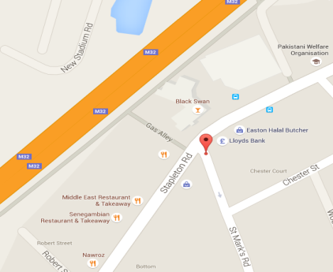

Arm B - St Marks Road (N)

Arm A - St Marks Road (S)

Junction Flow Profile
Arm Approach Flows (All Vehicles)
 | A to B (Northbound) | B to A (Southbound) | Two-way Total
7:00:00 | 1 | 9 | 10
7:15:00 | 3 | 9 | 12
7:30:00 | 1 | 15 | 16
7:45:00 | 0 | 15 | 15
8:00:00 | 6 | 17 | 23
8:15:00 | 2 | 14 | 16
8:30:00 | 0 | 33 | 33
8:45:00 | 5 | 45 | 50
9:00:00 | 0 | 50 | 50
9:15:00 | 3 | 42 | 45
9:30:00 | 1 | 33 | 34
9:45:00 | 1 | 29 | 30
10:00:00 | 2 | 30 | 32
10:15:00 | 1 | 43 | 44
10:30:00 | 4 | 42 | 46
10:45:00 | 0 | 46 | 46
11:00:00 | 2 | 33 | 35
11:15:00 | 0 | 50 | 50
11:30:00 | 1 | 43 | 44
11:45:00 | 2 | 27 | 29
12:00:00 | 1 | 44 | 45
12:15:00 | 2 | 43 | 45
12:30:00 | 1 | 43 | 44
12:45:00 | 4 | 50 | 54
13:00:00 | 2 | 47 | 49
13:15:00 | 3 | 57 | 60
13:30:00 | 2 | 42 | 44
13:45:00 | 2 | 44 | 46
14:00:00 | 0 | 63 | 63
14:15:00 | 3 | 61 | 64
14:30:00 | 2 | 54 | 56
14:45:00 | 0 | 37 | 37
15:00:00 | 0 | 47 | 47
15:15:00 | 1 | 48 | 49
15:30:00 | 2 | 64 | 66
15:45:00 | 4 | 69 | 73
16:00:00 | 4 | 65 | 69
16:15:00 | 1 | 66 | 67
16:30:00 | 2 | 54 | 56
16:45:00 | 4 | 77 | 81
17:00:00 | 3 | 61 | 64
17:15:00 | 3 | 70 | 73
17:30:00 | 4 | 59 | 63
17:45:00 | 4 | 58 | 62
18:00:00 | 1 | 68 | 69
18:15:00 | 1 | 60 | 61
18:30:00 | 3 | 59 | 62
18:45:00 | 3 | 66 | 69

Additional Notes (Factors which may impact on survey results such as accidents, roadworks, special events):

